BLE in positioning
Beacon
QR Code/RFID Tag can be removed if algo is good enough to determine position and path

Robot

Beacon Cover Range

QR Code/NFID Tag - Used to mark moving space/ Indicate package locations

Blank square: Where the package is put/Moving space

Beacon signal strength measured by cover range radius (Based on basic measurements in good environment conditions)
Beacon signal is used for robot's alignment in running (only available on bluetooth 5.2++ which some popular ESP32 versions hasnt supported) - This part temporily is not applied in our project

Calculate Angle of Arrival between robot axis and beacon, then turn robot by the angle

30cm: -70 -> -60 dbm

3m: -80 -> -70 dbm

6m : -90 -> - 80dbm

BLE Stations Installing Map
Package location

QR Code/ RFID Tag

Beacon

Robot

Beacon Cover Range

Software Designs
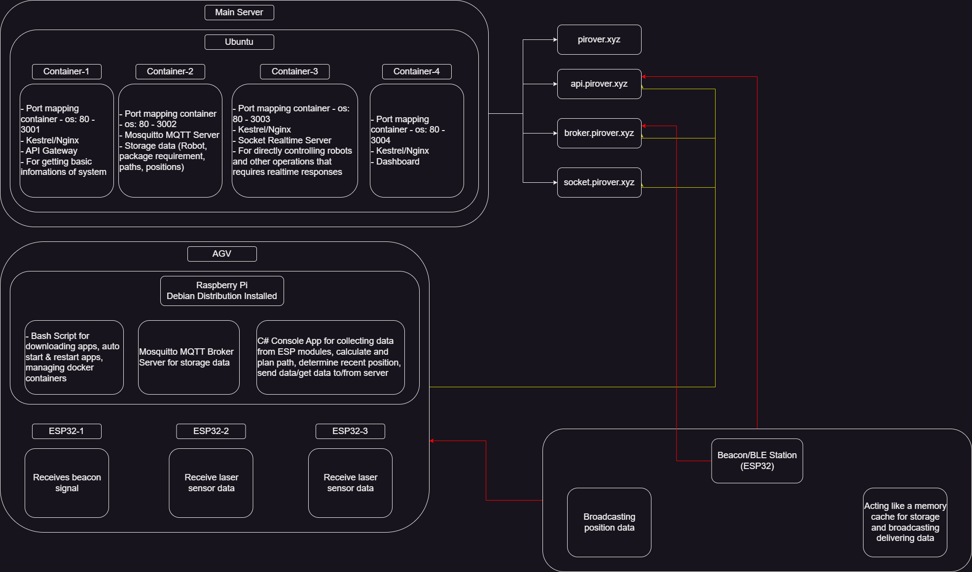

Workflows
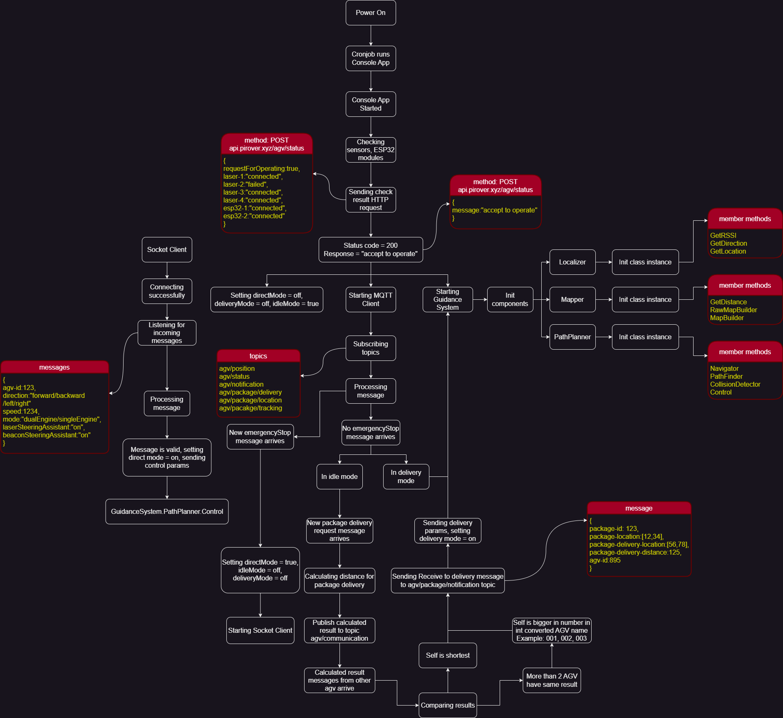
General


AGV

Dashboard UI Designs
Main Server - Dashboard Homepage

